Chart5
 | STEP 1
 | 200,000

Chart4
 | STEP 1
 | 200,000

Chart3
 | STEP 1
 | 200,000

Chart2
 | STEP 1
 | 200,000

Chart1
 | STEP 1
 | 200,000

Sheet1
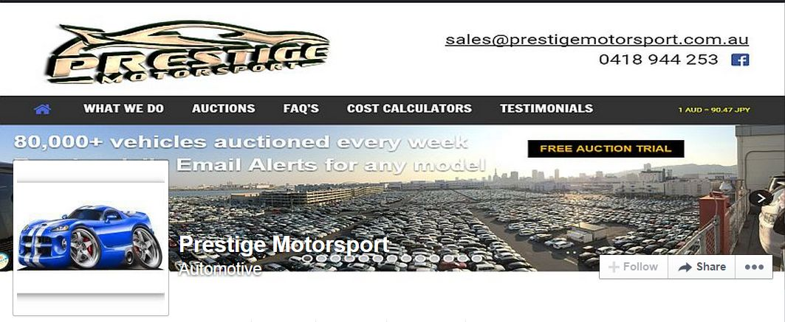
www.prestigemotorsport.com.au
www.facebook.com/prestigemotorsportaust
Import Cost Calculator (Hong Kong to Aust)
 |  |  |  |  | To save money on your funds transfer we recommend

Import Cost Calculator (Japan to Aust)

You pay HK export charges directly to our agent in HK, saving you money
 |  | Receive daily email alerts and auction history for any model |  | Version 9.0, July 7th, 2017
 | http://prestigemotorsport.com.au/auctions
STEP 1 | Enter total cost of vehicle in HKD (FOB) | 200,000 |  |  | Are you using the latest calculator ?

To obtain a realistic cost estimate, please follow the steps and alter the figures shown in BLUE to suit your situation
Mouse over each cost box to view comments with further information
If you require assistance, please contact us and we will be more than happy to help
Most vehicles will be on road within 8 to 10 weeks of export
STEP 2 | Enter current exchange rate (HKD to AUD) | 5.93 |  |  | DOWNLOAD the current version

 | FOB price in Australian dollars | $33,727 |  |  | http://www.prestigemotorsport.com.au/cost-calculators/

 | Prestige Motorsport fee | $660 |  |  | Visit our website for Further Information

 | Telegraphic Transfer (TT) fee | $15 |  |  | See What We Do for more detail about about professional and reliable import service

 | Airconditioning gas charge (usually $0) | $- |  |  | FREE TRIAL our Daily Auction data for any make / model

These amounts are consolidated into one invoice by the shipping agent, for payment prior to collection of the vehicle
STEP 3 | Shipping, wharf, Customs and agent fees | $1,850 |  |  | Japanese Auction Guide How to read auction sheets and how auctions work

STEP 4 | Shipping insurance (optional) |  |  |  | Preparing to Bid at Auction How to avoid missing the perfect vehicle

 | 10% GST | $3,671 |  |  | Example Vehicle Inspections Pictures and details of vehicles inspected for clients

 | DELETE 5% import duty if 30 years or older | $1,686 | Allow for LCT if applicable
You pay for compliance and new tyres directly to the compliance workshop
STEP 5 | Enter the cost of compliance | $1,000

STEP 6 | Enter the cost of new tyres

STEP 7 | Enter the cost of an alarm system

You pay licensing and registration costs directly to your State's licensing authority following roadworthy inspection
 | ON ROAD COSTS

STEP 8 | Enter the cost of Stamp Duty

STEP 9 | Enter the cost of licencing and registration

STEP 10 | Other miscellaneous | $200.00

 | Estimated TOTAL | $42,809
This document is subject to copyright and intellectual property rights and remains the property of Prestige Motorsport Pty Ltd © 2017

